点击可导航-按箱起订
液体处理系列 |  |  |  |  |  |  |  |  | 样品保存系列 |  |  | 细胞处理系列 |  |  |  |  |  | 定制系列 |  |  |  | 装盒器 | 贴标机
1.移液耗材 |  |  | 2.板类 |  |  |  | 3.管类 |  | 4.螺口管 |  |  | 5.研磨细胞筛网 | 6.细胞培养系列 |  |  |  | 7.细胞冻存系列 | 8.涂层超低吸附 | 9.移液工作站 | 10.多功能吸头盒 | 11.针头滤器 | 12.吸头装盒器 | 13.定制贴标机
通用移液吸头 | R款移液吸头 | 自动化移液吸头 | PCR板 | 深孔板 | 浅孔板 | 盖膜套 | PCR管 | 离心管 | 螺口管盖 | 螺口管管身 | 管盖一体 | 研磨细胞筛网 | 血清移液管 | 细胞培养板 | 细胞培养皿 | 细胞培养瓶 | 细胞冻存管 | 涂层超低吸附定制 | 96通道全自动移液工作站 | 多功能吸头盒 | 灭菌针头滤器 | 全规格吸头装盒器 | 样品管机器人
10µl移液吸头 | R款20μL移液吸头 | A款移液吸头 | 0.2mL 96孔半裙边PCR板 | 2.2mL 96孔深孔板（锥底） | 1.2mL 96孔浅孔板（圆底） | 96孔免穿刺TPE盖垫（方孔） | 0.1mL PCR 8联管+盖 | 0.5mL 离心管 | 13mm 螺口管盖 | 0.5mL 螺口管管身 | 0.5mL螺口管 | 40μm研磨细胞筛 | 1ml血清移液管 | 6孔平底培养板 | 35mm细胞培养皿 | T25细胞培养瓶 | 1.8mL内旋细胞冻存管 | 吸头类 | 96通道全自动通用型移液工作站 | 吸头盒A | PES针头滤器 | 文水-吸头装盒器A款 | 样品管机器人（贴标机）
10µl加长移液吸头 | R款200μL移液吸头 | B款移液吸头 | 0.2mL 96孔无裙边PCR板 | 2.2mL 96孔深孔板（圆底） | 1.3mL 96孔浅孔板（圆底） | 96孔免穿刺TPE盖垫（圆孔） | 0.2mL PCR 8联管+盖 | 1.5mL 离心管 | 20mm 螺口管盖 | 1.5mL 螺口管管身 | 1.5mL螺口管 | 70μm研磨细胞筛 | 2ml血清移液管 | 12孔平底培养板 | 60mm细胞培养皿 | T75细胞培养瓶 |  | 离心管类 | 96通道全自动专用型移液工作站 | 吸头盒B | PVDF针头滤器 | 文水-吸头装盒器B款
20µl滤芯移液吸头 | R款200μL移液吸头（宽口） | H款移液吸头 | 0.1mL 96孔全裙边PCR板 | 2.2mL 6孔深孔板 | 1.0mL 96孔浅孔板（圆底） | PCR压敏光学封板膜 | 0.2mL PCR 8联管盖一体 | 2.0mL 离心管 | 25mL 螺口管盖 | 2.0mL 螺口管管身 | 2.0mL螺口管 | 100μm研磨细胞筛 | 5ml血清移液管 | 24孔平底培养板 | 100mm细胞培养皿 | T175细胞培养瓶 |  |  |  | 吸头盒C |  | 文水-吸头装盒器C款
50µl移液吸头 | R款300μL移液吸头 | N款移液吸头 | 0.1mL 96孔半裙边PCR板（ABI系列） |  | 1.6mL 96孔浅孔板（圆底） | 普通封板膜 | 0.2mL PCR单管 | 0.6mL离心管 |  | 5mL 螺口管管身 |  |  | 10ml血清移液管 | 48孔平底培养板 | 150mm细胞培养皿 | T225细胞培养瓶 |  |  |  | 实验百宝箱
100µl移液吸头 | R款1000μL移液吸头 | O款移液吸头 | 0.1mL 96孔半裙边PCR板（罗氏系列） |  | 2.0mL 96孔浅孔板（圆底） | 96孔塑料护套（通用型） |  | 1.5mL棕色离心管 |  | 10mL 螺口管管身 |  |  | 25ml血清移液管 | 96孔平底培养板
200µl移液吸头 | R款1200μL移液吸头 | T款移液吸头 | 双色PCR板 |  | 240μL 384孔浅孔板（锥底） | 48孔塑料护套 |  | 2.0mL棕色离心管 |  | 25mL 螺口管管身 |  |  | 50ml血清移液管 | 96孔U底培养板
200µl移液吸头 （黄色） |  | M款移液吸头 |  |  | 120μL 384孔浅孔板（圆底） | 8孔塑料护套 |  | 5ml锥形底离心管 |  |  |  |  | 100ml血清移液管 | 384孔平底培养板
200µl加长移液吸头 |  |  |  |  | 0.5mL 96孔浅孔板（圆底） |  |  | 15ml锥形底离心管 |  |  |  |  |  | 96孔平底培养板 （补偿盖）
200μL凝胶点样移液吸头 |  |  |  |  |  |  |  | 50ml锥形底离心管 |  |  |  |  |  | 96孔U底培养板 （补偿盖）
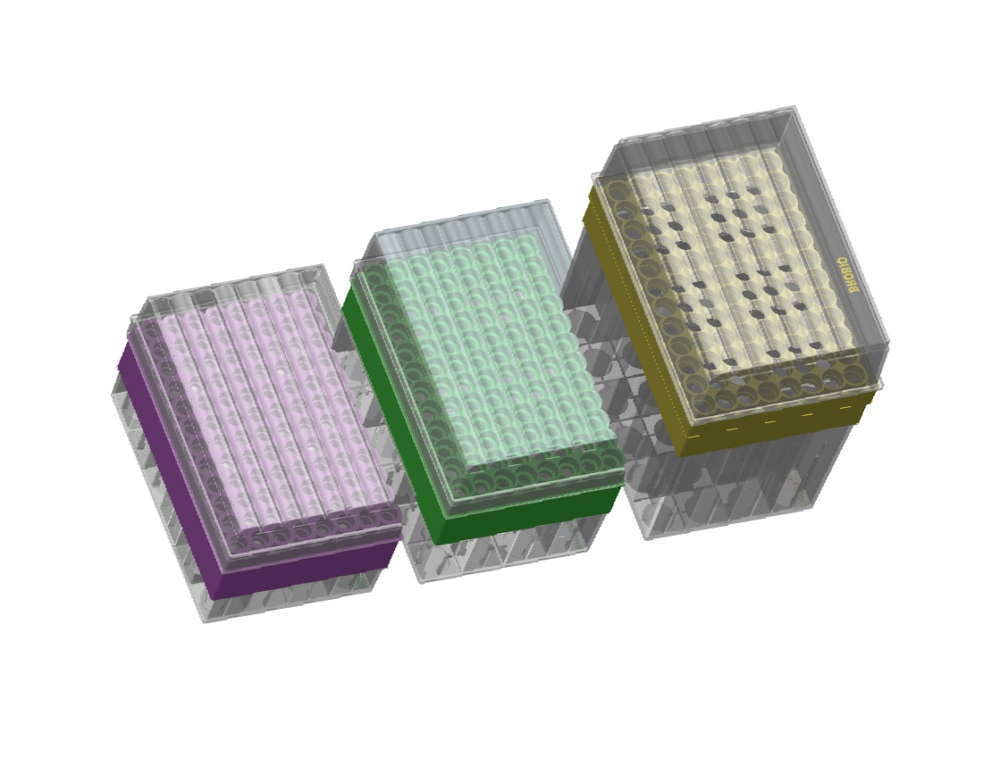
300μL移液吸头 |  |  |  |  |  |  |  | 50ml可立离心管
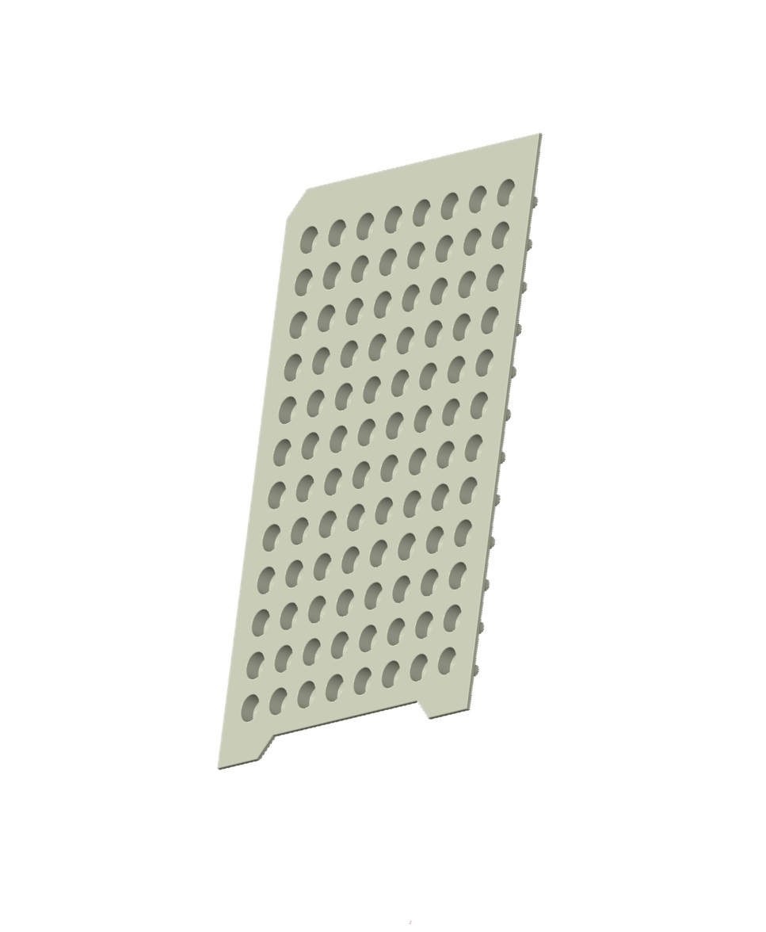
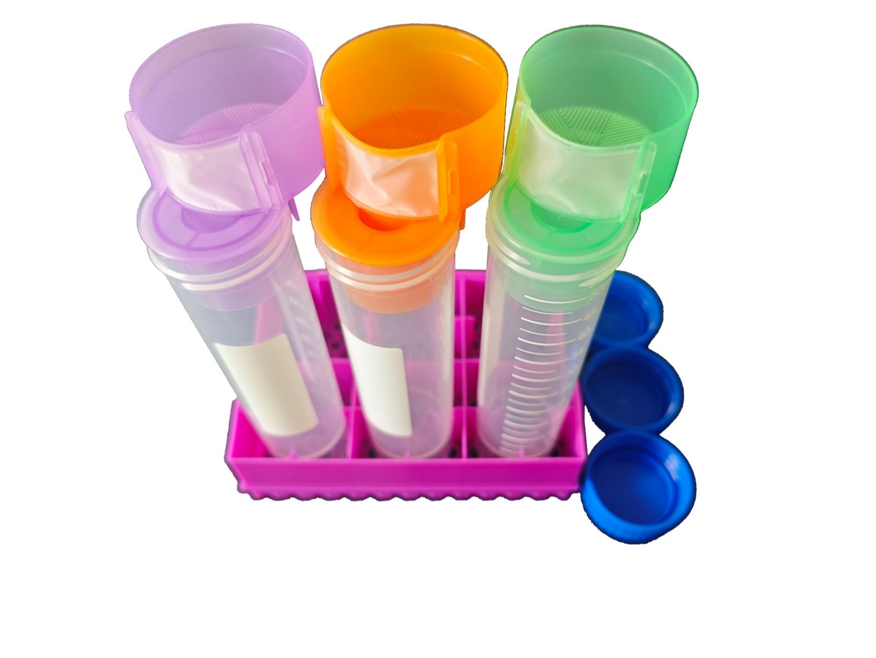
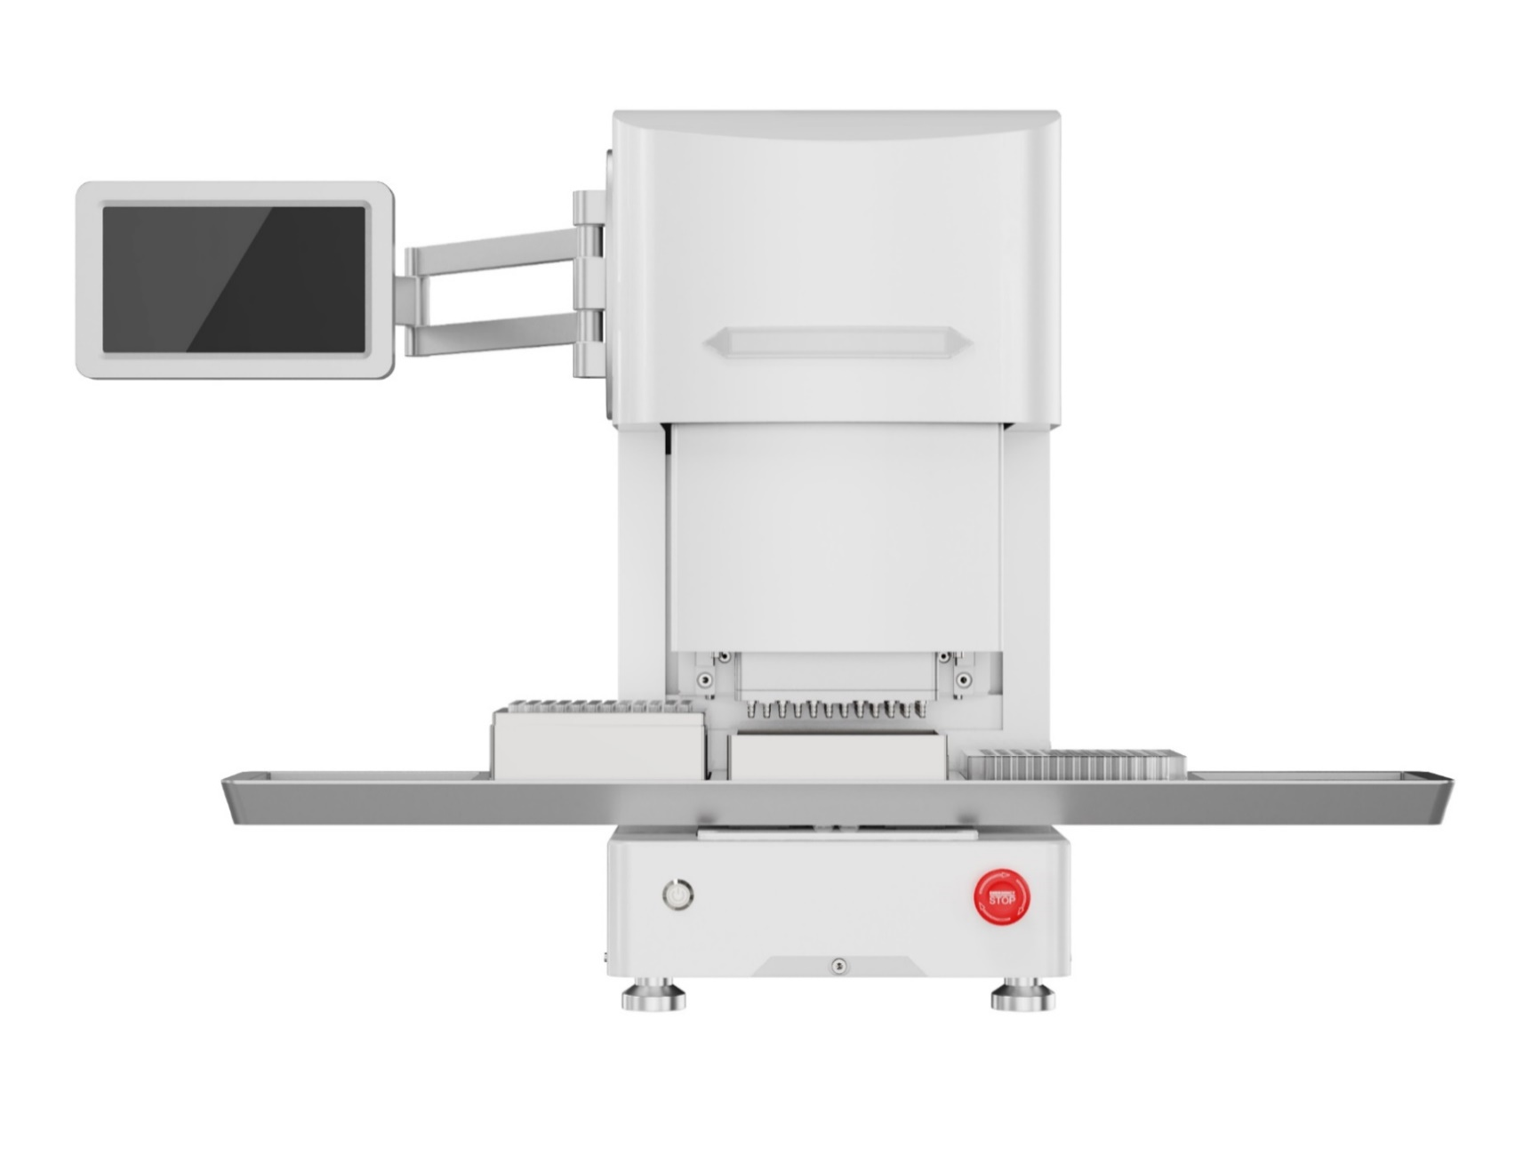
1000μL移液吸头
1000μL蓝色移液吸头
1250μL移液吸头
5mL移液吸头
10mL移液吸头

 |  |  |  |  |  |  |  |  |  |  |  | 3-4 rd Floor, West Building, Building 12, Life and Health Town Industrial Park, No. 168, Majian Road, Fengqiao Street, High-tech Zone, Suzhou City, Jiangsu Province,China. |  |  |  |  |  |  |  |  |  |  | CNAS
BROFIX For U Better |  | www.brobio.cn |  | info@brobio.cn |  | 0512-68769279 |  | 版权所有® Suzhou BROFIX Co., Ltd. |  |  |  |  |  |  |  |  |  |  |  |  |  |  | ISO13485

